Read me first
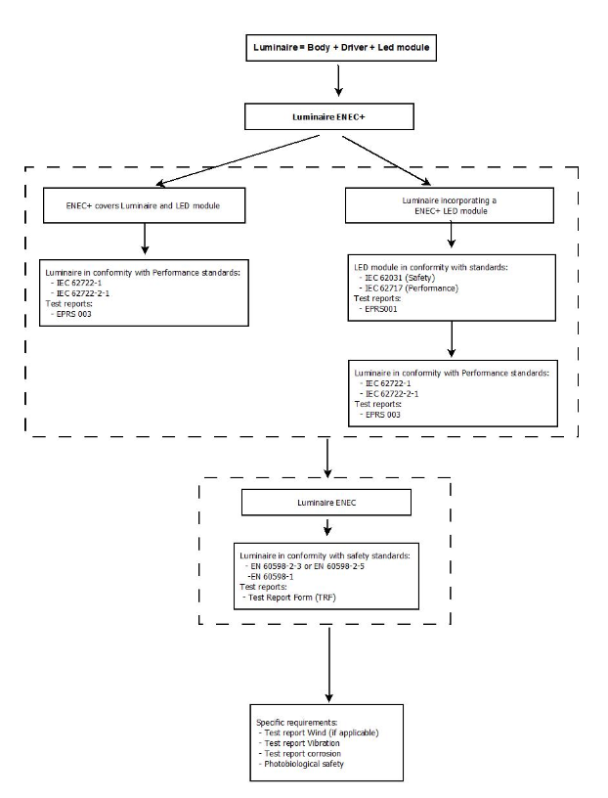
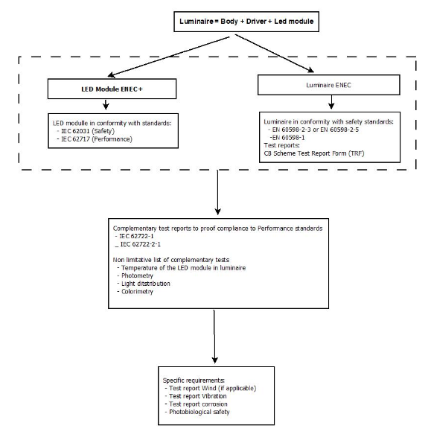
Dear reader,

This exel sheet is a help to list the documents, certificates or reports to deliver in the technical file required by Synergrid specification C4/11-3

As a majority of the requirements of Synergrid specification C4/11-3, are covert by safety and performance standards, delivered certificates or test reports proving the compliance to the required standards (TRF) are prove of compliance.

Conformity required to standard:
 | IEC 62722-1 and IEC 62722-2-1 or ENEC+
 | IEC 62717 and IEC 62031 or ENEC+
 | EN IEC 60598-2-3 or ENEC
 | EN IEC 60598-2-5 or ENEC
 | EN IEC 60598-1 or ENEC

For specific requirements of the specification C4/11-3 (example; Corrosion test, Wind- vibration test, …) reports complying to the specific test process must be delivered.

This file is only an information file that will be submitted to the Synergrid homologation workgroup. A luminaire (family) will only be homologated, as it had pass all the homologation process and it is published on the official Synergid list of homologated luminaires

Possibility 1: Luminaire ENEC+ or Compliant to IEC 62722-1 and IEC 62722-2-1 |  | Possibility 2: LED module ENEC+ or Compliant to IEC 62717 and IEC 62031

